DOBLE IMAGEN
 | SECONDARY IMAGE SEPARATION |  |  | QUALITY CONTROL

PART NUMBER AGP: | 0720202804 |  | DATE: | 4/2/2021
PROJECT: | BMW G05 X5 4D U 2020 |  | CUSTOMER: | BENTELER lightweight
REASON FOR SUBMISSION |  | Report Evaluation of Quality |  | Part Submission warrant
 |  | First Production Shipment |  | Special Sample
 |  | Re-submission |  | Other
 |  | Engineering change
QUALITY TEST | Secondary Image Separation |  | STANDARD | ISO 3538

DESCRIPTION OF TEST

OK OK OK Limit Reproved
RESULTS
CONDITIONS
HR: | 60%
T (ºC): | 23°C

 |  | REQUIREMENT: < 20 arcmin

 |  | DOUBLE IMAGE

CONCLUSION: This part fullfill with requirements.

ELENA BEJARANO |  | Hernan Rodriguez |  | LINA TOVAR
AUTHORIZED BY |  | REVIEWED BY |  | CONTROL CHECK

751-28-03A-15-F01 V.4 |  |  |  | Pag 4 of 9

BN
 | BLACK BAND MEASUREMET |  |  |  | QUALITY CONTROL

PART NUMBER AGP: | 0720202804 |  |  | DATE: | 4/2/2021
PART: | FRONT DOOR LEFT
CUSTOMER: | BENTELER lightweight Protection GmbH
REASON FOR SUBMISSION |  | Report Evaluation of Quality |  |  | Part Submission warrant
 |  | First Production Shipment |  |  | Special Sample
 |  | Re-submission |  |  | Other
 |  | Engineering change

 | BLACK BAND EXTERNAL
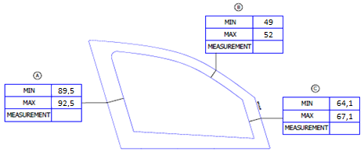

,,,

,,,
,,,

 | BLACK BAND INTERNAL
 | 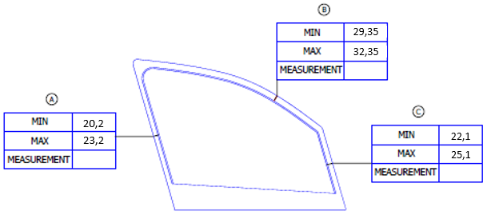

,,,

,,,
,,,

ELENA BEJARANO |  |  | Hernan Rodriguez |  | LINA TOVAR
AUTHORIZED BY |  |  | REVIEWED BY |  | CONTROL CHECK

751-28-03A-15-F01 V.4 |  |  |  |  |  | Pag 6 of 9

BN EDITABLE
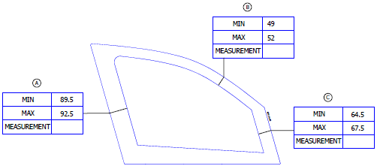
49
52

89,5
92,5
64,1

67,1

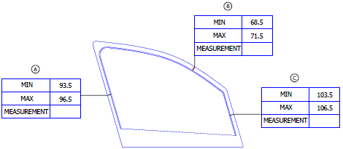

29,35
32,35

20,2
23,2
100,9
103,9

